Table of Contents
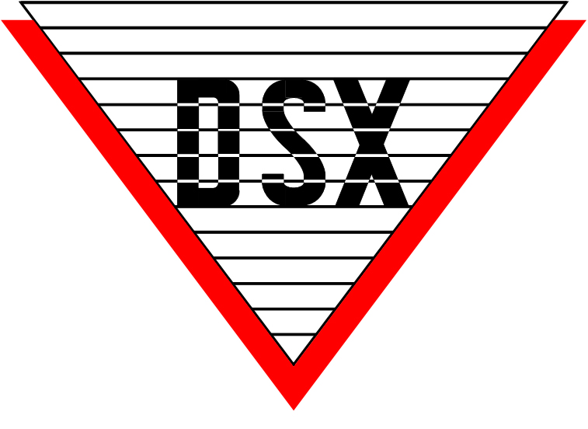

DSX Access systems Price List 2021
list price

2021 DSX access Systems Table of contents
DSX Directory
DSX Company Directory | 1
DSX Info & Terms
DSX General Contact Information | 2
Purchasing Equipment and Placing Orders | 3
Payment and Shipping Policies | 4
DSX Limited Warranty Summary and Detailed Information | 5
DSX Returns Policies & Procedures | 7
DSX Repairs Pricing and Policies | 8
Controller Additions and Upgrades Vital Information | 9
DSX Hardware & Software
1040 Series Intelligent Controller Packages | 10
1040 Series Components | 11
1040 Series Power Supply and Power Supply Components | 12
1020 Series Intelligent Controllers | 13
1020 Series Intelligent Controller Packages (Schlage) | 14
1020 Series Intelligent Controller Packages (HID) | 15
DSX Extended Hardware Warranty | 16
Communication Devices and Surge Suppression | 17
Reader / Keypad Interfaces | 18
DSX Software - Microsoft Access™ Version | 19
DSX Software - Microsoft SQL™ Version | 21
Integration Software | 23
DSX Literature and Demo Units | 24
DSX Miscellaneous Items | 25
DSX Services
Administrative Training for End User | 26
Card Evaluation & Database Manipulation Services | 26
OEM Products Including Readers, Keypads & Credentials
Schlage Readers & Smart Cards | 27
HID Readers, Keypads, Cards | 29
Farpointe Data Readers, Keypads, Cards | 35
Indala Proximity Readers & Cards | 39
Essex Keypads & Readers | 40
Mag Stripe & Barcode Readers, Photo ID Badging & Modems | 41
Integrated Locksets & DSX L-85 Software
Schlage Hardware & DSX L-85 Software | 42

DSX Company Directory
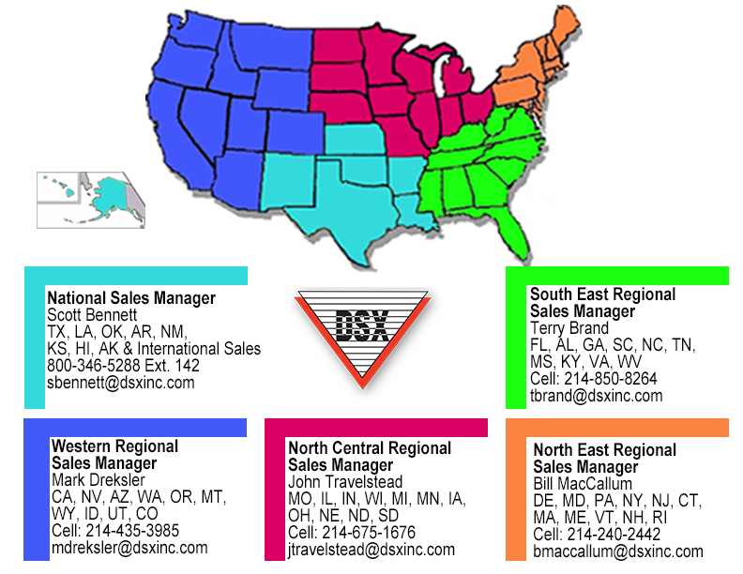
DSX Access Systems Company Directory

800-346-5288 214-553-6140
Name | Ext. | Title | Email
Engineering
Bart Holzer | 124 | President | bholzer@dsxinc.com
Operations
Rusty Gibson | 128 | General Manager | rgibson@dsxinc.com
Lloyd Gallegos | 174 | Information Systems | lgallegos@dsxinc.com
Technical Group
Leonard Carrion | 173 | Tech Support | lcarrion@dsxinc.com
Tim Duncan | 177 | Tech Support | tduncan@dsxinc.com
Arlin Hammerstad | 118 | Tech Support | ahammerstad@dsxinc.com
Rustee Lane | 123 | Tech Support | rlane@dsxinc.com
Matthew Stebleton | 165 | Tech Support | mstebelton@dsxinc.com
Tom Smith | 172 | Training | tsmith@dsxinc.com
Production
Patrick Fields | 140 | Production | pfields@dsxinc.com
Accounting / Order Entry / RMAs
Marty Monroe | 141 | Controller | mmonroe@dsxinc.com
Tony Henderson | 175 | Accounting | thenderson@dsxinc.com
Carrie Gurr | 125 | Purchasing | cgurr@dsxinc.com
Carl Melder | 129 | Order Entry | orders@dsxinc.com
Tina Meadows | 180 | RMAs | repairs@dsxinc.com

